Sheet2
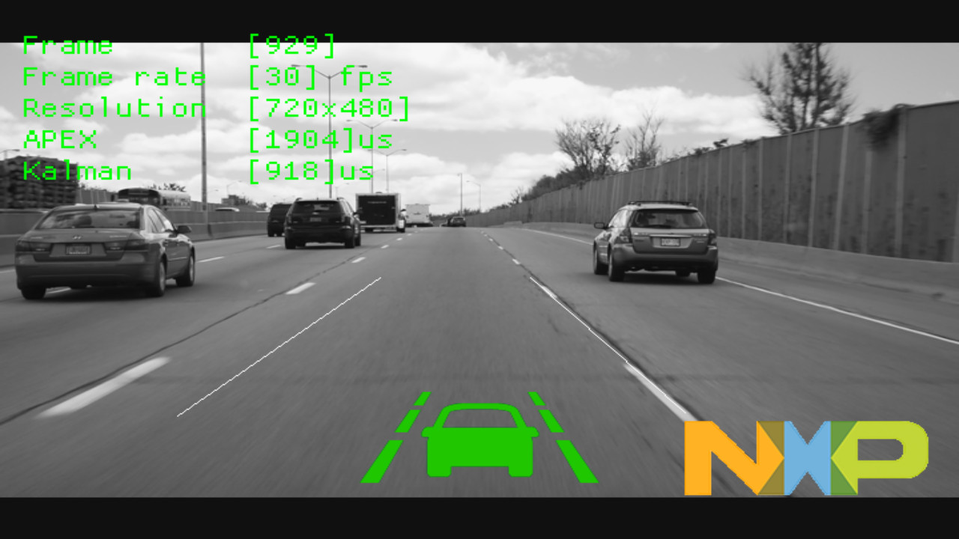
SL: NO:2 | HDMI Output display

